Sheet1
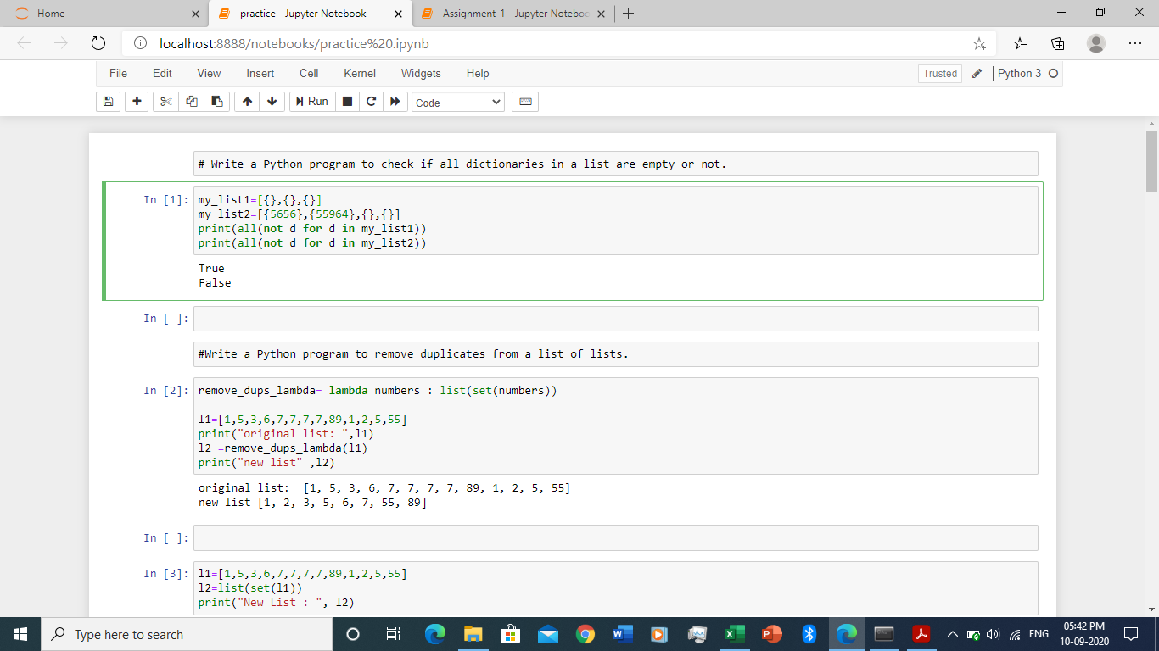
Task 1: 1. Install Jupyter notebook and run the first program and share the screenshot of the output.

